Indices

 | Iraq Stock Exchange
 | Bulletin No (167)

 | ISX Trading Indices of Monday 22/9/2025

 | Traded Volume and OTC |  | 1,450,748,010 |  | Traded Value and OTC |  | 1,912,953,266 |  | Traders | 1025

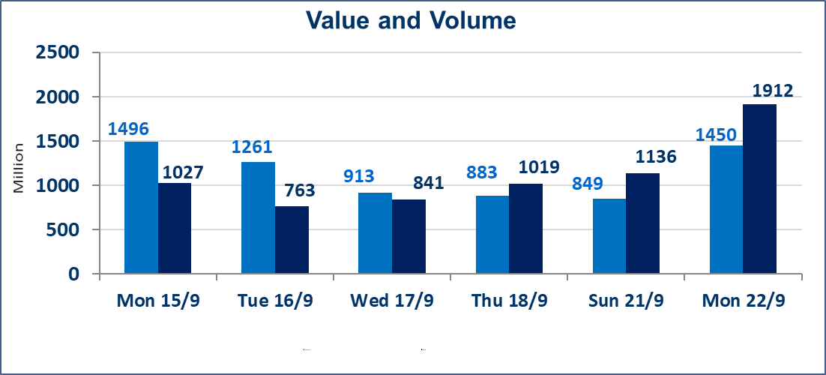
 | ISX Index 60 |  |  | 972.31 | ISX Index 15 |  |  | 1141.10
 | Previous ISX Index60 |  |  | 967.34 | Previous ISX Index15 |  |  | 1134.49
 | Change % |  |  | 0.51 | Change % |  |  | 0.58
 | Change |  |  | 4.97 | Change |  |  | 6.61

 | Listed Companies | 104 | OTC | 11 | Non Traded listed | 42 | OTC | 8
 | Traded Listed Companies | 44 | OTC | 2 | Higher Companies |  |  | 12
 | GAM Companies |  |  | 7 | Lower Companies |  |  | 12
 | Suspended Companies |  |  | 11
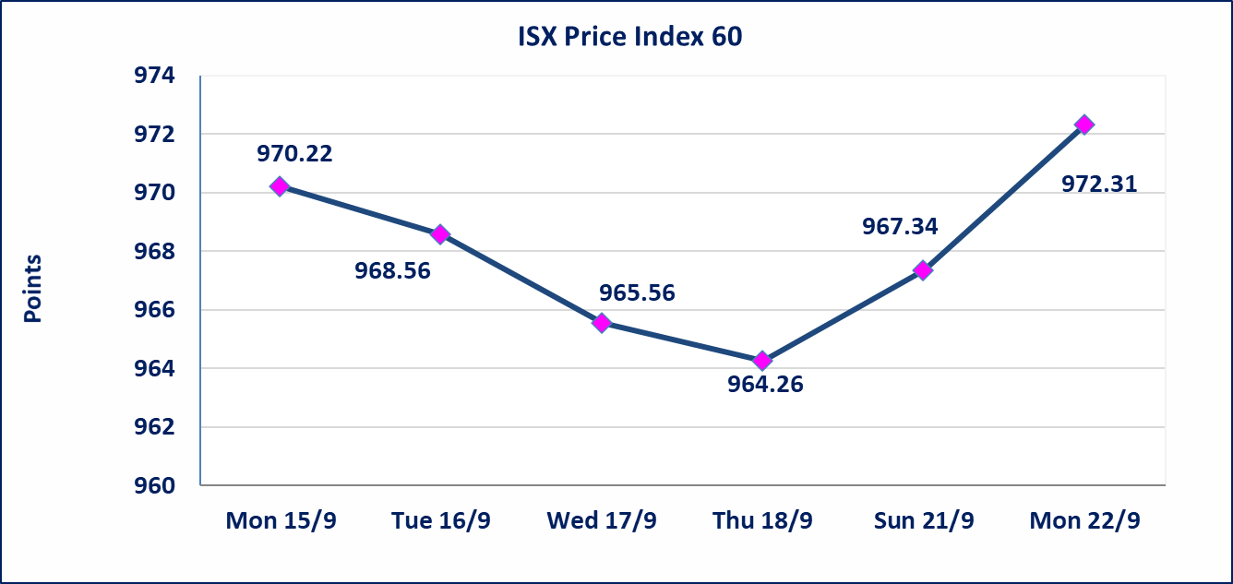
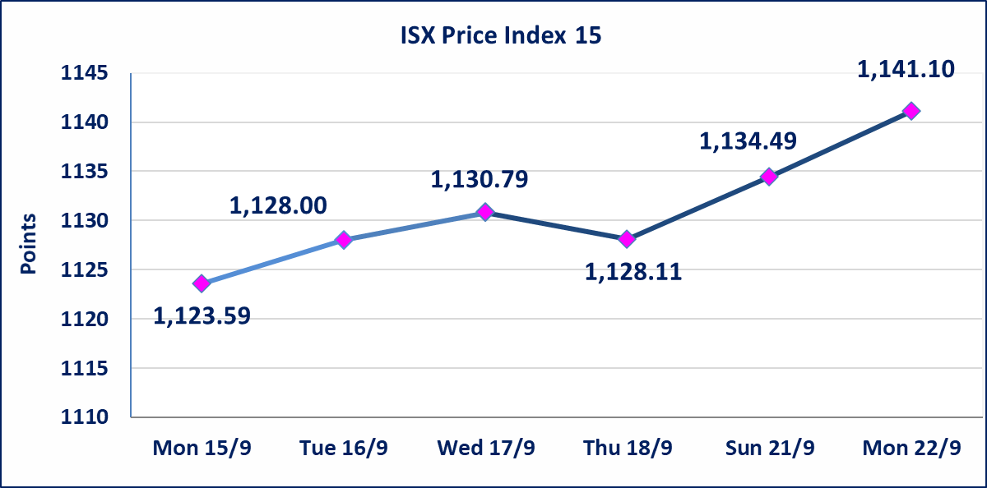

Al-Alwiya P.O . 3607 Mobile: 07711211522 - 07270094594 - 07834000034 E-mail: info-isx@isx-iq.net Web site:www.isx-iq.net

Top 5
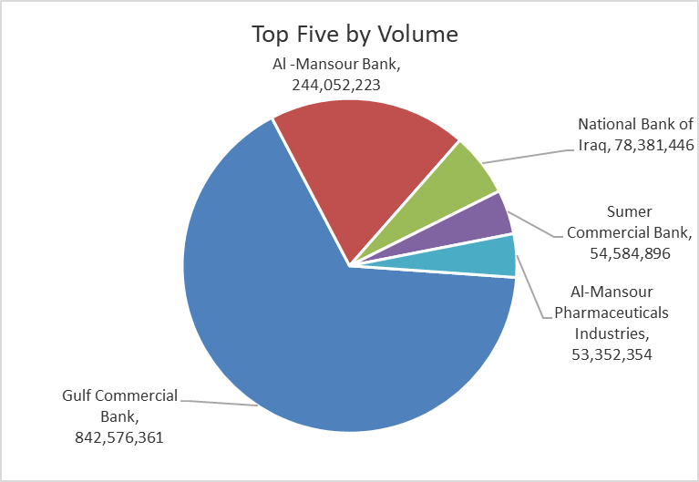
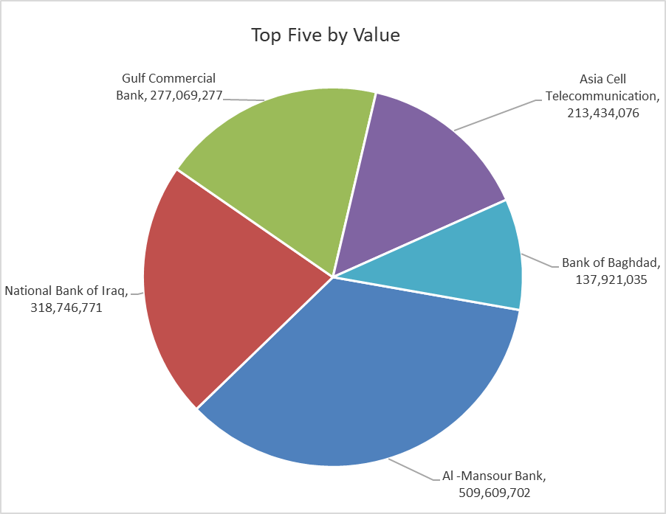
ISX top ganing and losing companies
Monday 22/9/2025
Gainers |  |  |  | Losers
Company Name | Closing Price | Change (%) | Traded Volume | Company Name | Closing Price | Change (%) | Traded Volume
Gulf Commercial Bank | 0.350 | 9.38 | 842,576,361 | Al-Ahlyia agricultural production | 2.000 | -13.42 | 3,497,000
Metallic Industries and Bicycles | 2.100 | 5.00 | 7,892,775 | Investment Bank of Iraq | 0.210 | -4.55 | 5,799,615
Palestine Hotel | 22.000 | 4.76 | 10,145 | Ashur International Bank | 0.220 | -4.35 | 5,295,000
National Bank of Iraq | 4.100 | 3.80 | 78,381,446 | Modern Construction Materials | 0.440 | -4.35 | 472,017
Credit Bank Of Iraq | 0.740 | 2.78 | 4,060,000 | National Chemical &Plastic | 1.850 | -2.63 | 450,000

The most active companies in term of traded volume and value

Traded Volume |  |  |  | Traded Value
Company Name | Closing Price | Change (%) | Traded Volume | Company Name | Closing Price | Change (%) | Traded Value
Gulf Commercial Bank | 0.350 | 9.38 | 842,576,361 | Al -Mansour Bank | 2.100 | 1.45 | 509,609,702
Al -Mansour Bank | 2.100 | 1.45 | 244,052,223 | National Bank of Iraq | 4.100 | 3.80 | 318,746,771
National Bank of Iraq | 4.100 | 3.80 | 78,381,446 | Gulf Commercial Bank | 0.350 | 9.38 | 277,069,277
Sumer Commercial Bank | 0.080 | 0.00 | 54,584,896 | Asia Cell Telecommunication | 12.300 | 0.08 | 213,434,076
Al-Mansour Pharmaceuticals Industries | 2.600 | 2.36 | 53,352,354 | Bank of Baghdad | 3.690 | 0.00 | 137,921,035

Non Iraqis

Iraq Stock Exchange
Non Iraqis' Bulletin Monday Sept 22 2025
Regular Market

Non Iraqi Trading of Regular Market (Buy)
Company Names | Code | No.of trades | Traded Shares | Trading Volume
Banks Sector
Al-Tife Islamic Bank | BTIB | 2 | 100,000 | 80,000
National Bank Of Iraq | BNOI | 26 | 6,489,667 | 26,646,713
Al-Mansour Bank | BMNS | 25 | 125,000,000 | 261,393,166
Total Bank sector |  | 53 | 131,589,667 | 288,119,879
Grand Total |  | 53 | 131589667 | 288119879

Non Iraqi Trading of Second Market (Sell)
Company Names | Code | No.of trades | Traded Shares | Trading Volume
Industry sector
Fallujah for Construction Materials | IFCM | 3 | 3,000,000 | 9,180,000
Total Industry sector |  | 3 | 3,000,000 | 9,180,000
Grand Total |  | 3 | 3000000 | 9180000

